Sheet1
Sl No. | Issues | References
1 | SMS Plan needs to be renewed for e-commerce
2 | Expense report - after downloading the excel is not opening | 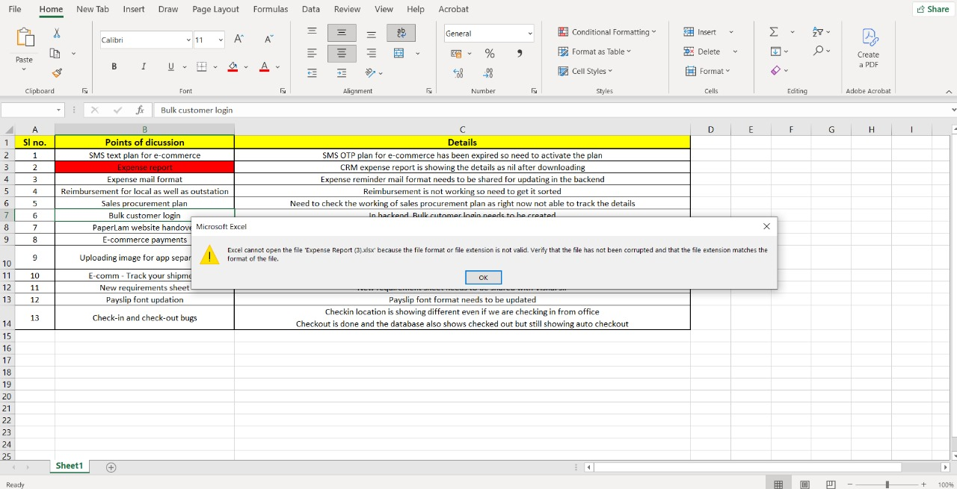
3 | In CRM, product report is not downloading
4 | In reimbursement, all the acounts are showing to everyone
5 | PaperLam's website credentials needs to be changed
6 | For E-commerce payments, sharing the QR code. Kindly attach
7 | For bulk customer login, sharing the excel so please test and check if it is working fine
8 | Listing e-comm app on ios and play store CRM in ios
9 | Website issues - https://docs.google.com/document/d/1BM7bEl_SWRYi_dK6V87U5XxJQB06X88JcjIvMhdGkDU/edit?tab=t.0
10 | In e-commerce, on the home page if we click on road safety products - then it is howing Digital printable media list also showing | 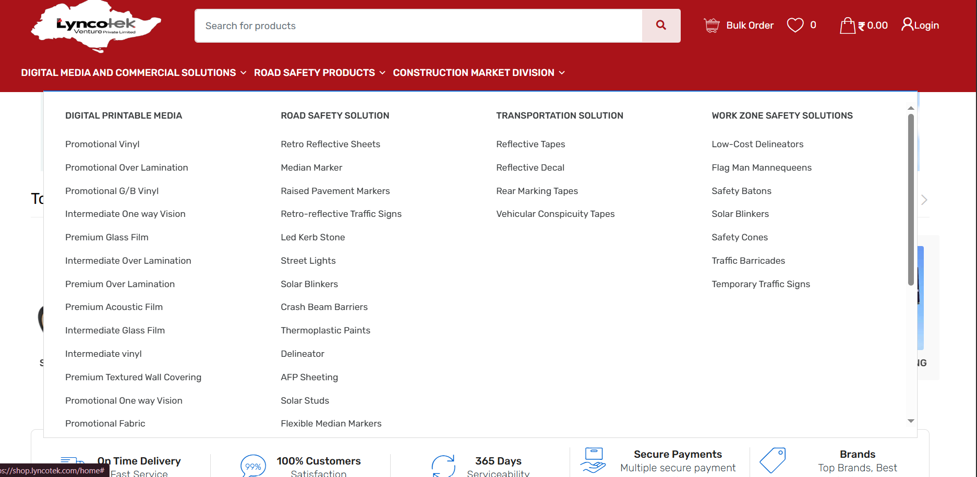
11 | For every place where add attachment option is there, excel also needs to be supported | 